HPE Servers
Huawei Switches price list - JAN 2025
ITEM | ITEM DESCRIPTION | IMAGE + Link | Qty | Unit Price in US$
Model | P25217-AA1 - HPE Proliant DL388 Gen10 Servers |  | 1 | $2,969.00
Form Factor | 2U rack space
Detail | (12-Core, 2.4 GHz, 100W) 1P 16G P408i-a NC 8SFF 800W PS server
Warranty | 3Years
ITEM | ITEM DESCRIPTION | IMAGE + Link |  | Total
Model | P25216-AA1 - HPE Proliant DL388 Gen10 Servers |  | 1 | $6,055.00
Form Factor | 2U rack space
Detail | (10-Core, 2.4 GHz, 100W) 1P 16G P408i-a NC 8SFF 800W PS server
Warranty | 3Years
ITEM | ITEM DESCRIPTION | IMAGE + Link |  | Total
Model | P25215-AA1 - HPE Proliant DL388 Gen10 Servers |  | 1 | $1,603.00
Form Factor | 2U rack space
Detail | (8-Core, 1.9 GHz, 85W) 1P 16G P408i-a NC 8SFF 500W PS server
Warranty | 3Years
ITEM | ITEM DESCRIPTION | IMAGE |  | Total
Model | P23578-AA1 - HPE Proliant DL360 Gen10 Servers |  | 1 | $2,694.00
Form Factor | 1U space
Detail | (10-Core, 2.4 GHz, 100W) 1P 16G NC P408i-a 2G 8SFF 500W Svr
Warranty | 3Years
ITEM | ITEM DESCRIPTION | IMAGE |  | Total
Model Name | BD505A - HPE Server Licenses | 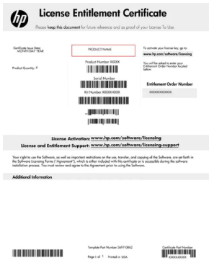 | 1 | $114.00
Detail | HPE iLO Adv 1-svr Lic 3yr Support:ProLiant Management SW S-ERVER
Warranty | 3Years
 | Whatsapp: +260966130153 | Email: darwin@routerswitch.com

